Sheet1
dataset | HaGrid | Dgrid | Ours
Sensorless_drive_diagnosis | 0.27 | 0.92 | 0.73
Condition_based_maintenance | 0.87 | 0.99 | 0.89
Cup98LRN | 0.28 | 0.69 | 0.79
Google_playstore_sentiment | 0.84 | 0.95 | 0.83
BeijingPM2.5 | 0.11 | 0.8 | 0.87
Human_activity_recognition | 0.63 | 0.84 | 0.91
Crowd_sourced_mapping | 0.83 | 0.98 | 0.87
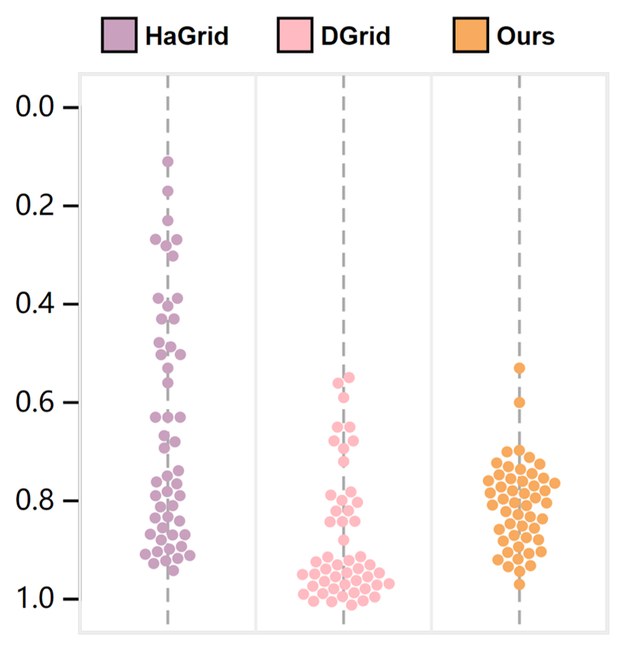
Telescope | 0.67 | 0.95 | 0.82
Credit_card_fraud | 0.39 | 0.68 | 0.76
MoCap | 0.5 | 0.84 | 0.71
BlackFriday | 0.91 | 0.8 | 0.78
2008_cancelled_flights | 0.3 | 0.65 | 0.78
worse
Barcelona_accident | 0.79 | 0.98 | 0.9
HT_sensor | 0.39 | 0.55 | 0.53
Epileptic_seizure | 0.87 | 0.98 | 0.86
Terrorism | 0.17 | 0.56 | 0.78
Mnist_tsne | 0.94 | 0.96 | 0.75
Swiss_roll_3d | 0.78 | 0.98 | 0.85
Nomao | 0.63 | 0.93 | 0.88
Person_activity | 0.43 | 0.84 | 0.7
Diamonds | 0.27 | 0.82 | 0.84
Wine | 0.91 | 0.88 | 0.93
Gas_sensor_array_drift | 0.23 | 0.93 | 0.74
Abalone | 0.91 | 0.99 | 0.9
Gesture_phase | 0.68 | 0.97 | 0.85
CS_rankings | 0.92 | 0.95 | 0.74
Satimage | 0.49 | 0.99 | 0.88
Avila | 0.43 | 0.97 | 0.81
Forest_covertype | 0.5 | 0.68 | 0.77
Clothes | 0.9 | 0.97 | 0.8
News_popularity | 0.9 | 0.94 | 0.92
Grammatical_facial_expression | 0.4 | 0.95 | 0.8
Swiss_roll_2d | 0.87 | 0.99 | 0.86
Hathi_trust_library | 0.63 | 0.72 | 0.7
Daily_sports | 0.48 | 0.65 | 0.6
Manhattan | 0.82 | 0.98 | 0.82
Phyllotaxis | 0.92 | 0.98 | 0.94
Basketball | 0.74 | 0.96 | 0.8
Dc_census_citizens | 0.75 | 0.79 | 0.74
Chicago_crimes | 0.69 | 0.82 | 0.77
DBLP_samples | 0.83 | 0.79 | 0.73
Music | 0.91 | 0.97 | 0.81
News | 0.87 | 0.97 | 0.77
Paleontology | 0.81 | 0.96 | 0.77
COVID-19_deaths | 0.53 | 0.93 | 0.92
GridGena | 0.86 | 0.96 | 0.76
GaAsH6 | 0.77 | 0.94 | 0.75
Copter | 0.76 | 0.96 | 0.78
News_aggregator | 0.56 | 0.59 | 0.93
GNFUV | 0.79 | 0.98 | 0.97

